Fringe and Health In. Rates
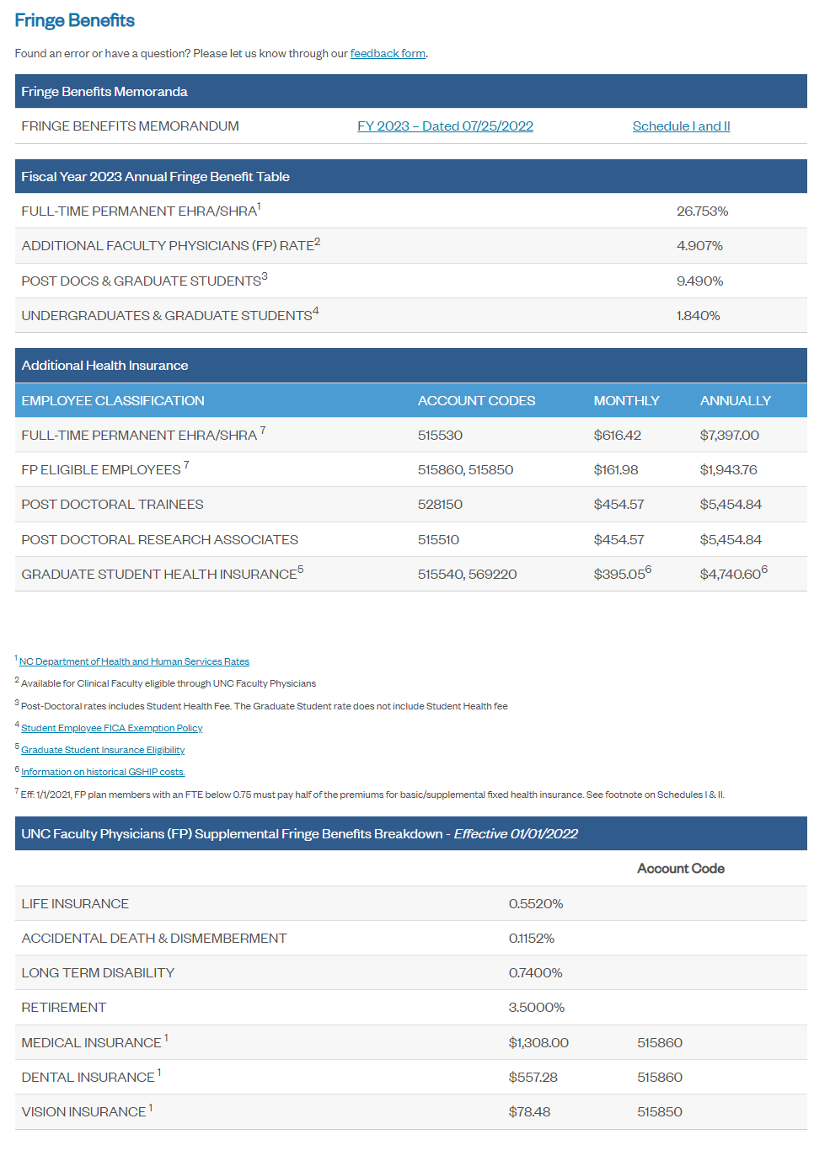
Fringe Benefits |  | Health Insurance Monthly Rates
 | %
Full time | 26.753% | 616.42
Additional Faculty Physicians Rate | 4.907% | 161.98
postdoc | 9.490% | 454.57
grad | 1.840% | 395.05
undergrad | 1.840%

Source: OSR Information Sheet
https://research.unc.edu/sponsored-programs/resources/information-sheet/

